Agreement
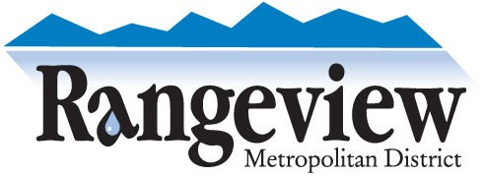

 |  | Water & Wastewater "Tap" Purchase Agreement
 |  |  | Attached Single-Family Residential Product

 | Date:

 | Property Address:

 | Assessor's Parcel Number: |  | 1977-03-3-XX-XXX

 | Sky Ranch Filing # : |  | 5

 | Property Owner or Agent's Name:

 | Property Owner or Agent's Phone Number:

 | Property Owner or Agent's Email Address:

 | Calculated Water & Wastewater Tap Fees
 | From Submitted Application & Tap Calculator

 | Water Tap Fee: |  |  | $23,879.29
 | Wastewater Tap Fee: |  |  | $8,000.00
 | Meter Set Fee: |  |  | $518.00
 | Service Line Inspection Fee: |  |  | $150.00
 | Total Water & Wastewater Tap Fees: |  |  | $32,547.29

Please review the tap fees listed above and the anticipated water and wastewater monthly service rates shown in
the attached tap calculator. By signing below, the Owner or the Owner's Agent acknowledges the tap fees and
anticipated monthly service rates associated with obtaining water and sewer service at the above listed property.

Property Owner or Agent's Signature:

Please pay the Total Water & Wastewater Tap Fee by check addressed to Rangeview Metropolitan District and
write the property address in the check memo.

